Guidance
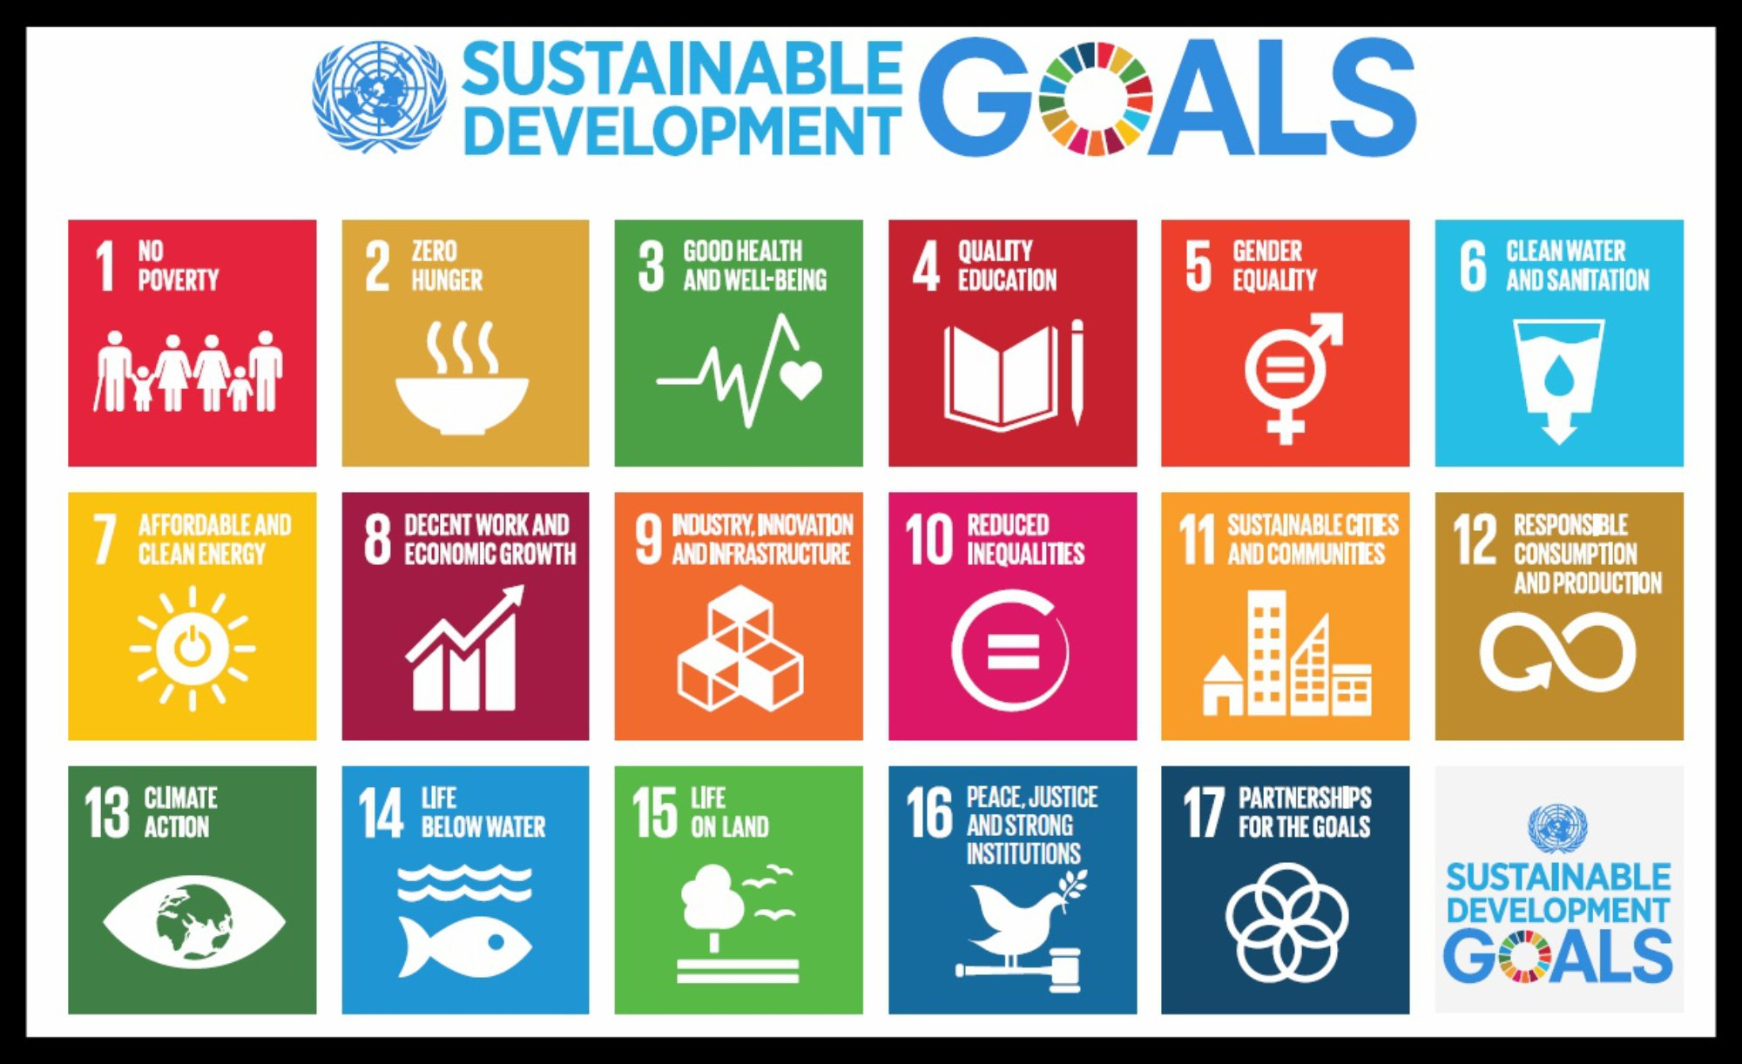
In this guidance you will find: 1. Introduction to the curriculum targets and KPIs for sustainability in education 2. Background to the UN Sustainable Development Goals 3. How to complete this spreadsheet 4. Methodology

1. Introduction & targets
Sustainability, as defined by the UN Sustainable Development Goals (SDGs) sits at the heart of BU. Within BU2025 is the KPI target that "all programmes align to at least one of the SDGs by 2025". We are measuring this by units as unit leaders are identified as having the most agency over indicative content. A unit 'aligns' to an SDG if it includes content concepts and objectives as described per each SDG. Within the newly released Climate & Ecological Crisis Action Plan is the target that "at least one unit per level has indicative content on the climate and ecological crisis" A level fulfils 'addressing' the crisis if it, in at least one unit, aligns to one of SDG7, 13, 14, 15 or additional content concepts which are included in the mapping tab. |  | Read the CECAP here.
Purpose of this spreadsheet | This spreadsheet has two purposes: • collect information on how your department units and programmes align to the SDGs • provide a framework for your department to further embed sustainability within your programmes and map your improvement

2. Aligning programmes to the UN SDGs
What is the aim of the SDGs? | The aim of the 17 SDGs is to secure a sustainable, peaceful, prosperous and equitable life on earth for everyone now and in the future. They cover global challenges that are crucial for the survival of humanity and address a range of social needs including education, health, social protection and job opportunities while tackling climate change and environmental protection. The SDGs address key systemic barriers to sustainable development such as inequality, unsustainable consumption patterns, weak institutional capacity and environmental degradation.
How are they relevant to education? | Embarking on the path of sustainable development will require a profound transformation of how we think and act. To create a more sustainable world and to engage with sustainability-related issues as described in the SDGs, individuals must become sustainability change-makers. They require the knowledge, skills, values and attitudes that empower them to contribute to sustainable development. Education, therefore, is crucial for the achievement of sustainable development. The now well-established approach of Education for Sustainable Development (ESD) empowers learners to take informed decisions and responsible actions for environmental integrity, economic viability and a just society for present and future generations.
Is this important to students? | In short, yes. ESD is increasingly being demanded by students worldwide. The NUS Skills Survey annually records this. In the 2020 survey, 81% of BU participants agreed or strongly agreed that "The University is obliged to teach about the environment and associated topics". 85% agreed or strongly agreed that "The topic of sustainable development should be incorporated and promoted within the course."

3. How to complete this spreadsheet
For unit leaders | Step 1: Open the tab below with the programme/s in which your unit contributes. Find the column for your unit: unit names are listed in row 1 Step 2: Type a 'c' or 'o' in row 3 to show whether your unit is core or optional to the programme. If you don't know, don't fill it in. Step 3: Map your unit against the UNSDGs by typing '1' against any SDG you feel your unit aligns to. We recommend starting with the SDGs you feel most align, and explore the others as you see fit. For details of what counts as aligning to each SDGs, click the [+] icons in the left sidebar next to each for a set of example learning outcomes. You do not need to fulfil all of this content: your unit is aligned if you consider your indicative content to contribute to any of these. Step 4: Map your unit against contribution to climate & ecological crisis. Alignment to SDG7, 13, 14, 15 will automatically sum in this row. If these are not applicable, type '1' using the additional content using the [+] section as above. CECAP target: one unit per level in programme aligns to c&ec. Read more detail on 'Context' tab. Step 5: Set an aim. This is a living document for your unit and programme to embed education for sustainable development. Consider setting a target of an SDG you would like to fulfil more, and type an 'A' in the applicable cell.
For programme leaders | Step 1: Review where you are Column A shows you how many units in your programme align to the UN SDGs. Column B shows you how many core units in your programme align to the UN SDGs. You can use this information to review your programme's alignment against the BU2025 and CECAP objectives above. Note: a core unit must be aligned to consider these objectives fulfilled. Step 2: Feedback to unit leaders Share the overview with your team, highlighting where you align particularly well and areas you may not align to as much as you expected. Step 3: Plan next steps This is a living document for your programme to embed education for sustainable development. Consider setting a target of an SDG you would like to fulfil more, and type an 'A' in the applicable cell. We recommend having a discussion about this as a programme team to foster collaboration and share ideas.

4. Methodology
What are we basing SDG content on? | The suggested learning objectives for each SDG are those provided by the UNESCO Education for Sustainable Development (ESD) Goals Learning Objectives guide. We have included the full LOs in the named tab below. Each SDG has 15 LO, split into three categories: • Cognitive learning objectives: comprises knowledge and thinking skills necessary to better understand the SDG and the challenges in achieving it. • Socio-emotional learning objectives: includes social skills that enable learners to collaborate, negotiate and communicate to promote the SDGs as well as self-reflection skills, values, attitudes and motivations that enable learners to develop themselves. • Behavioural learning objectives: describes action competencies. recognising that ESD is not solely about knowledge, but also skills and attributes. The UNESCO Guide has many examples of ESD work and explanations about its importance and we recommend reading, though it is not necessary. | Access the full guide here.
Why were these LOs chosen, and how do they apply to my course? | The LOs were chosen as they have been specifically developed to support ESD. They are comprehensive, diverse and measurable so can cater to and become part of every programme at BU: they make the SDGs relevant to you. This framework was approved by the BU Sustainability Academic Network.

